Lost Muslim "Spiritual" Lives
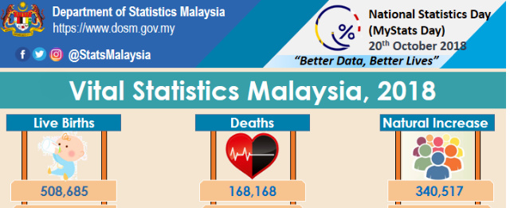
2018 Deaths | 168,168 | Department of Statistics, Malaysia - see below)
% Muslim | 61.3%
Total Muslim Deaths | 103,087

% of Malays Who Completed Pilgrimage | 8.00%
Total Malays Who Completed Pilgrimage | 8,247

Total Malays who DID NOT Complete Pilgrimage before Death | 94,840 | Undercount because some Malays perform multiple pilgrimages

Source
https://www.dosm.gov.my/v1/index.php?r=column/cthemeByCat&cat=165&bul_id=Z1VxWjBnQXRFblE0ZDVKbFJSSFFZdz09&menu_id=L0pheU43NWJwRWVSZklWdzQ4TlhUUT09

